Testpiece info
Book keeping
Testpiece ID | 21A |  | Colour key
Date of test | 22/06/2022 |  | Likely consistent across all testpiece reports
Time of test |  |  | Consistent across test type
Raw data file name |  |  | Inputed before testing
Processed data file name |  |  | Inputed after testing
Image 1 file name |  |  | Automatically calculated
Image 2 file name
Image 3 file name
Image 4 file name
Test Report Name | SG2022-AA3104-PSC
Organisation | University of Cape Town
Operator Name | Maxwell Vos
Project supervisor | Sarah George

Testpiece Description
Reference | Description
Material | Source (industry document link)
 | Identifier
 | Composition
 | Note
 | Condition | Transfer bar
 | Location | Center
 | Hear treatment
Testpiece preperation | Orientation (relative) and location from source mat
 | Geometry | Large PSC |  | Symbol | Title | Relationship | Prefered Values | Permissible Values
 | Breadth Ratio (BR) | 3.00 |  | BR | Breadth Ratio | BR = b0/w | 5 | ≥2
 | Length Ratio (LR) | 3.00 |  | HR | Heigth Ratio | HR = h0/w | 0.67 | ≤0,67
 | Heigth Ratio (HR) | 0.98 |  | LR | Length Ratio | LR = ℓ/w | 3 | ≥3
 | Applicable standard(s) | Good practice guide N0 27 and other appropriate documents
Testpiece information | Testpiece breadth b0 (mm) | 30.01
 | Testpiece Height h0 (mm) | 9.789
 | Testpiece length ℓ (mm) | 30.01
 | Initial cross sectional area under platens (mm2) | 300.1
 | Surface finish (Ra) | 3µm Mirror polish (Ra ≈ 0.1µm)
 | Method of machining | Milling

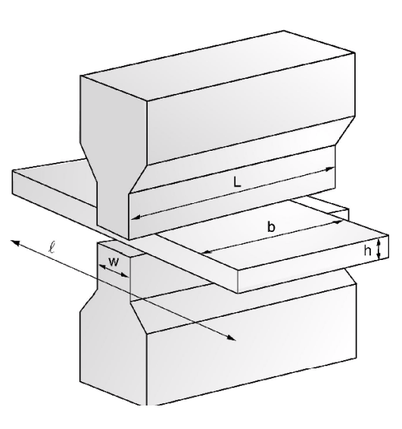
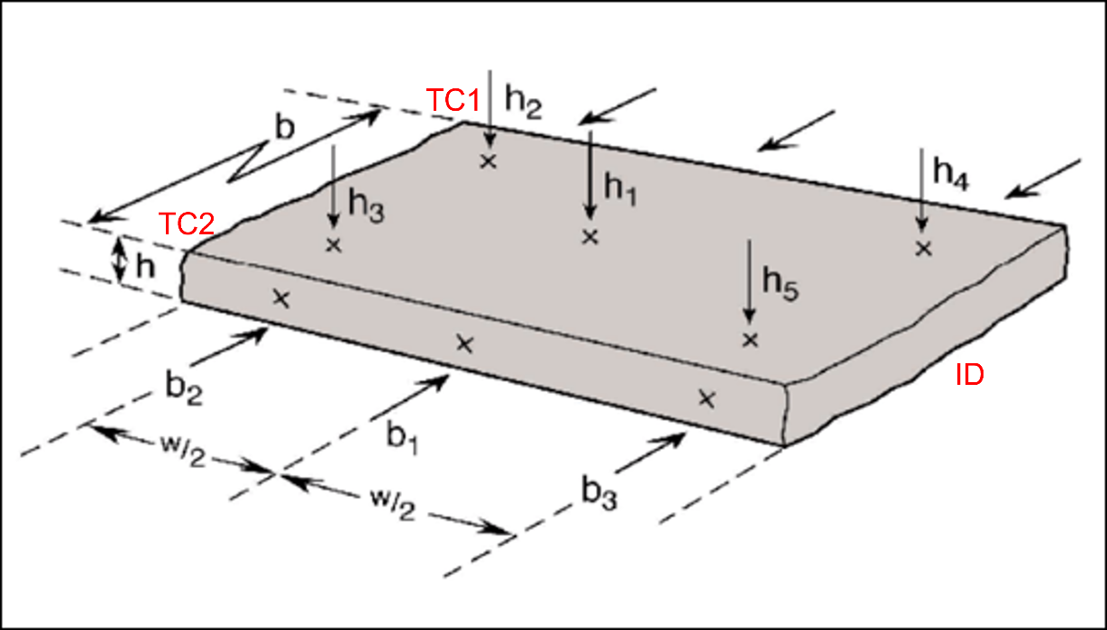
Testpiece Geometry
Dimension | Breadth (mm) |  | Heigth (mm)
Initial | b1 | 30.01 | h1 (centre) | 9.995
 | b2 | 30.01 | h2 (edge) | 9.988
 | b3 | 30.01 | h3 (edge) | 10.001
 | - | - | h4 (edge) | 9.988
 | - | - | h5 (edge) | 10
Average Initial | bo | 30.01 | ho-measured | 9.994
Std Dev Initial | Sb0 | 0 | Sh0 | 0.0056071383076
True initial (after Tx compression) | - | - | h0 | 9.789
Dimensional coeficients | - | - | Ch0 (No standard for Ch0) | 5.610E-04
Final | Bf | 31.53 | h6 (centre) | 4.895
 | - | - | h7 (edge) | 4.902
 | - | - | h8 (edge) | 4.896
 | - | - | h9 (edge) | 4.897
 | - | - | h10 (edge) | 4.892
Average Final | - | - | hf | 4.896
Std Dev Final | - | - | Shf | 0.0036469165058
Dimensional coeficients | - | - | Chf =(Chf < 0.04) | 0.001

Quick Deformation data
Parametor | Hit 1 | Hit 2 | Hit 3
Intended strain | -0.8
Intended strain rate (1/s) | 50
Intended deformation (mm) | -4.893
compliance adjust (mm) | 0.09
rate adjust (1/s) | 7.93
h0 (mm) | 9.789
hf (mm) | 4.896
∆h (mm) | -4.893
Quicksim Strain
Quicksim Strain Rate (1/s) | 49.52
Measured Strain | -0.8000
Measured strain error | 0.000
Measured ∆h error (µm) | 0
Quicksim strain error (1/s) | 0.48

Test Details
Description | Value | Units/notes
Programed thermal expansion | 0.31 | mm
Observed Thermal expansion squish | 0.205 | mm
Max temperature of test | 360 | °C
Type of test | Large PSC
Anvil Width (w) | 10 | mm
Strain coefficient A | 0.866
Stress coefficient B | 0.866
Base sampling rate | 10 | Hz
Hit sampling rate | 50000 | Hz
Applicable standard(s)
Test machine | Gleeble 3800
Test environment | Atmosphere
Temperature uncertainty | ±1 | °C
Anvil material | Tungsten Carbide
Anvil surface finish | Lapped to 3 micron
Lubricant type | None
Lubricant application method | NA
Cooling method | Air Quench
Anvil alignment | -
Test calibration document name
Last Gleeble calibration date | 25/02/2022
Gleeble calibration document name | See Gleeble calibration folder

Time, Temperature and strain test plan
Time interval (s) | Ptemp (°C) | Strain | Note
0 | 0
40 | 100 |  | Force build up through Tx
80 | 360 |  | Heat up to 360C
60 | 360 |  | Hold at 360C for 60sec
1 | 360 | 0,8 @ 50/s | Deform sample
1 | 0 |  | Air Quench to RT
90 | 0 |  | Air Quench to RT

272

